16 Nov
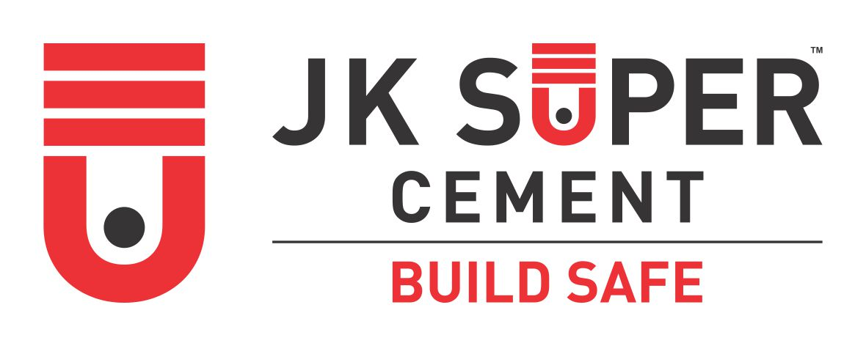

CUSTOMER TECHNICAL SERVICES
J.K. CEMENT LTD

EVENT ATTENDANCE RECORD

Date of Event: | 11/16/2022 |  |  |  | Counter Name : SHARMA CEMENT AGENCY
Event Name: | SGM |  |  |  | Place of Event : MANIYA
CTS Name: | MANOJ SHARMA |  |  |  | Martketing Executive : KRISHNA GAVHANE
Gift Item: | THALI SET |  |  |  | Date of Event : 16/11/2022
S.No | Name of Invitee | Contact No | JK User (Y/N) | Preffered Brand | Registered in Shoorveer (Y/N) | Food & Arrangement Score (1- 5) | Training Score (1-5) | Gift Score (1-5) | Remarks
1 | Narayan | 9660808199 | N | ULTRATECH | N | 4 | 5 | 5
2 | Virendra Singh | 7240313963 | Y | JK SUPER | Y | 4 | 5 | 5
3 | Rajendra | 8949927036 | Y | JK SUPER | Y | 4 | 5 | 5
4 | Kaptan | 7014147095 | Y | ULTRATECH | Y | 4 | 5 | 5
5 | Diwan | 7042144623 | Y | JK SUPER | Y | 4 | 5 | 5
6 | Surendra | 9024315561 | Y | JK SUPER | Y | 4 | 5 | 5
7 | Moti singh | 8824751043 | N | SHREE | N | 4 | 5 | 5
8 | Neeraj | 7726075948 | Y | JK SUPER | Y | 4 | 5 | 5
9 | Het singh | 7877243572 | N | BANGUR | N | 4 | 5 | 5
10 | Suraj | 9549633638 | Y | JK SUPER | Y | 4 | 5 | 5
11 | Sunny | 8302923464 | Y | JK SUPER | Y | 4 | 5 | 5
12 | Ratna | 9521196268 | N | SHREE | N | 4 | 5 | 5

 | Signature of Technical Officer |  |  | Signature of Marketing Executive |  |  |  |  | Signature & Stamp of Dealer

